Overview
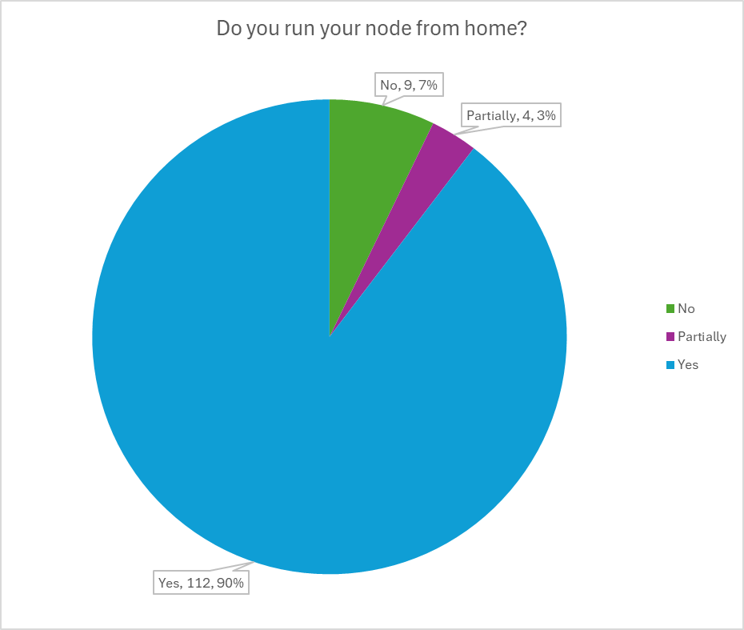
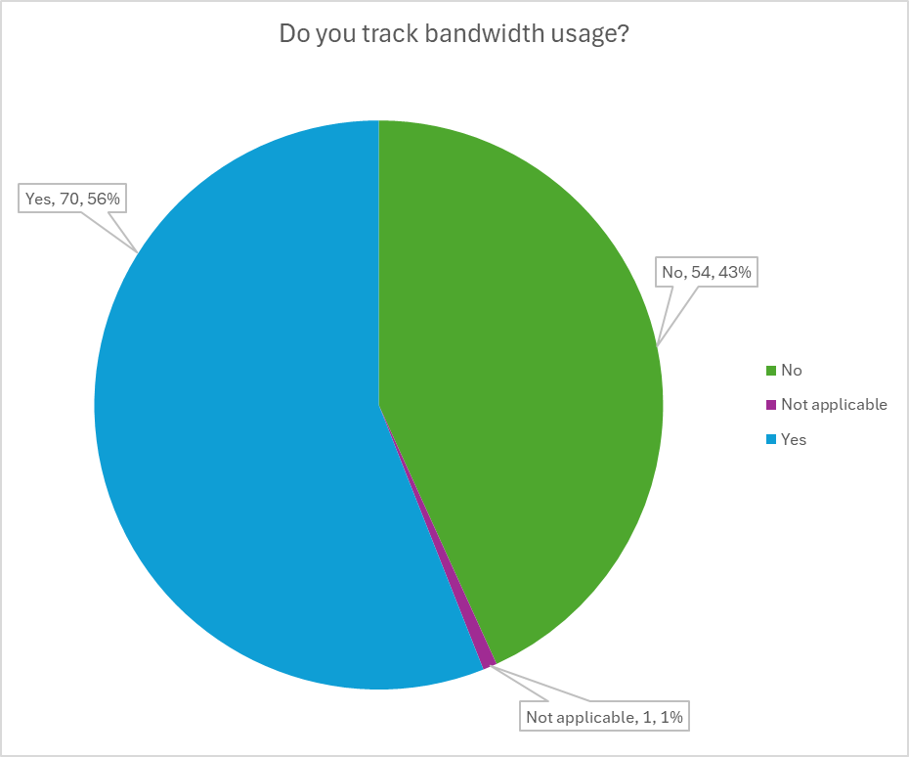
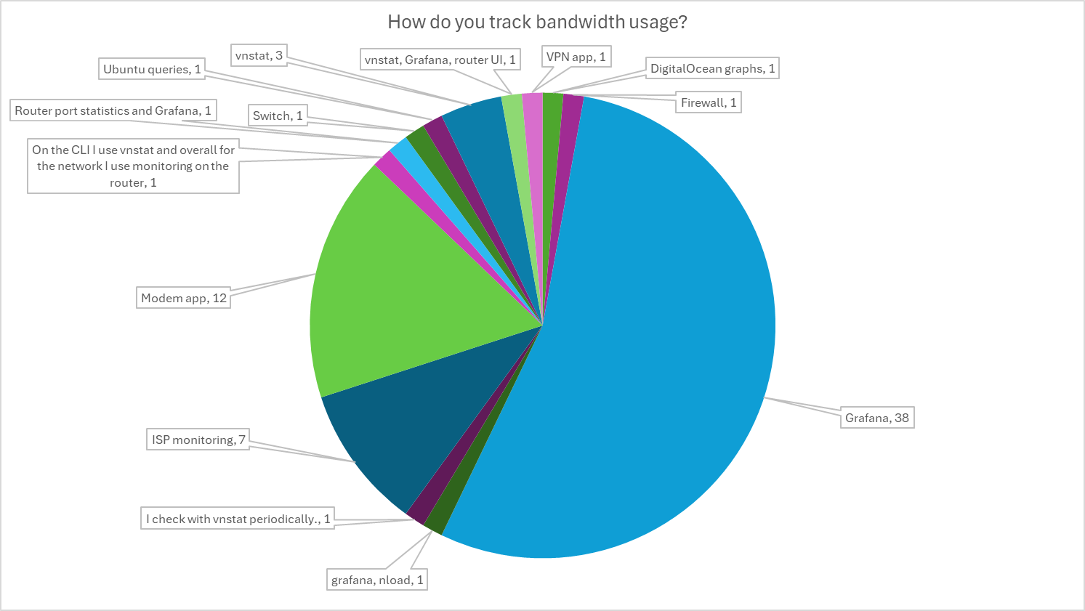
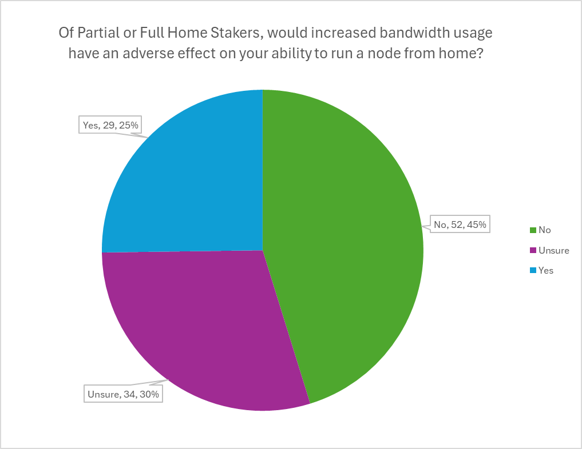
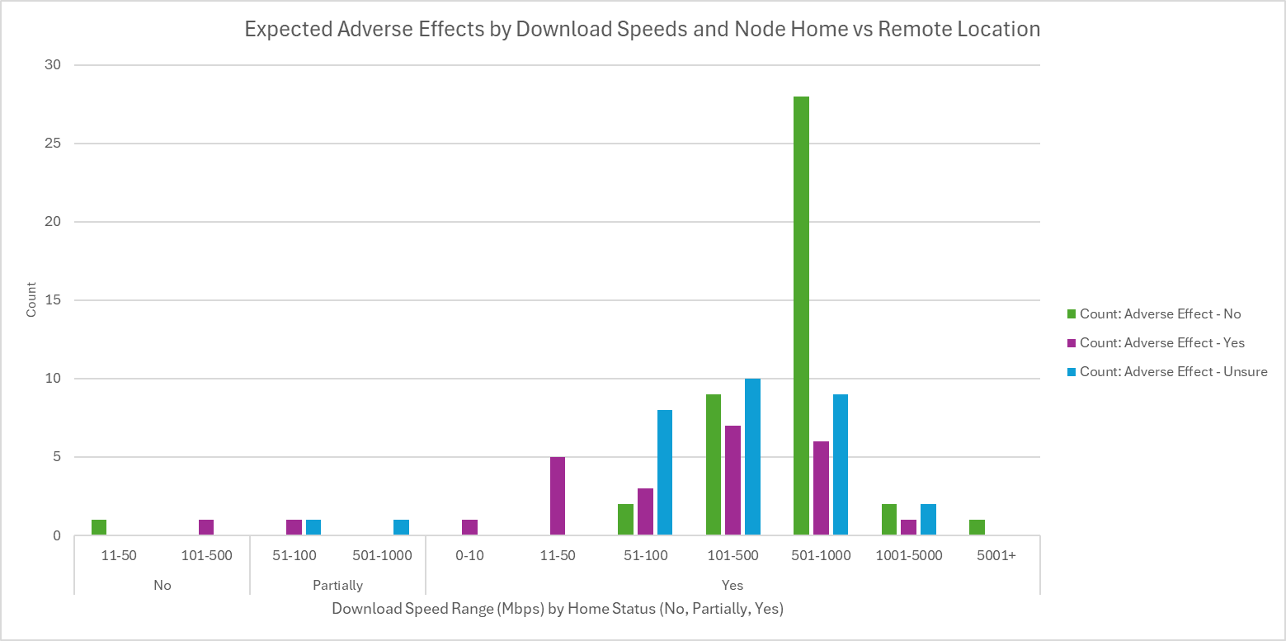
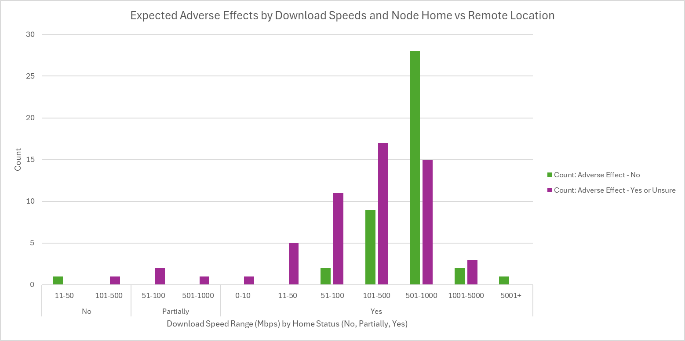
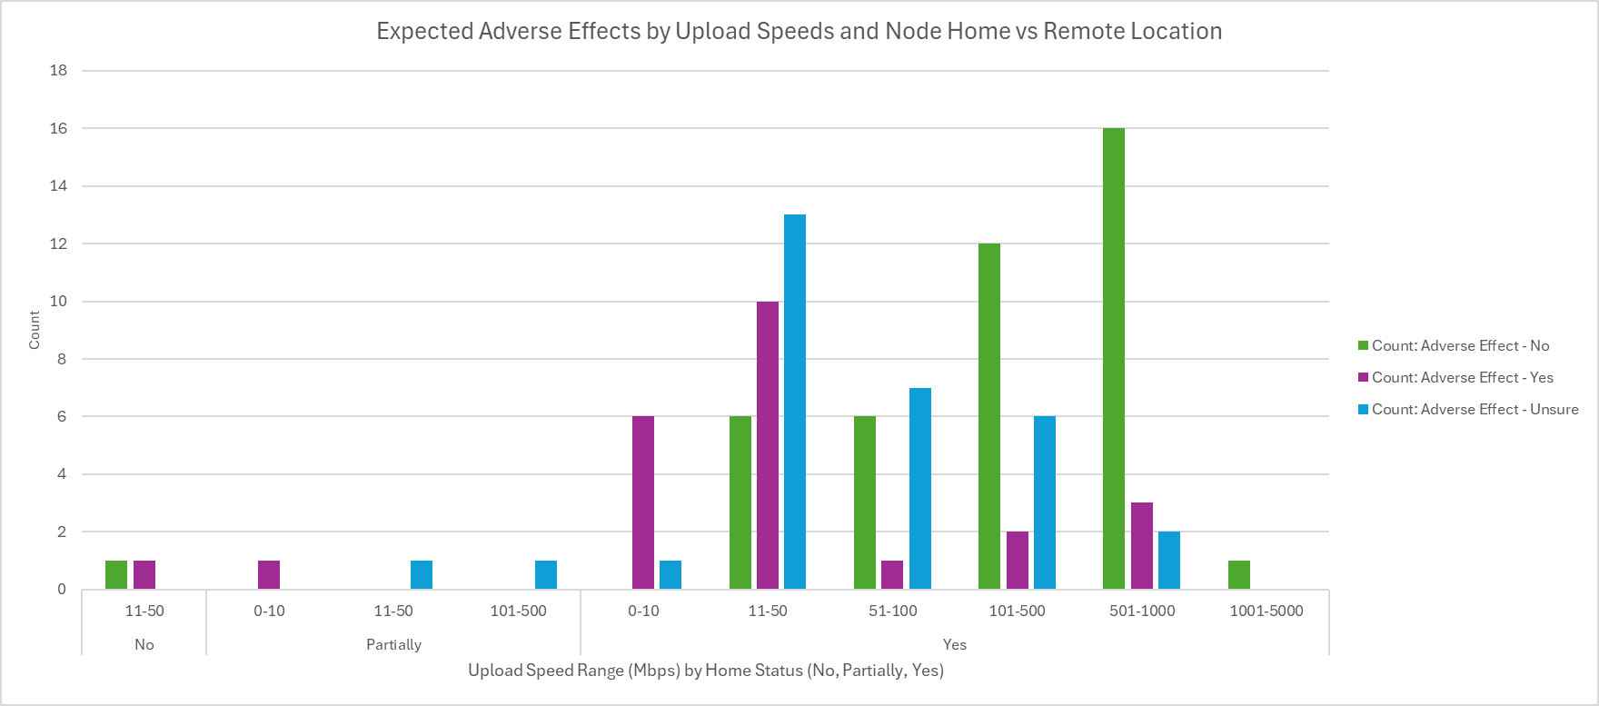
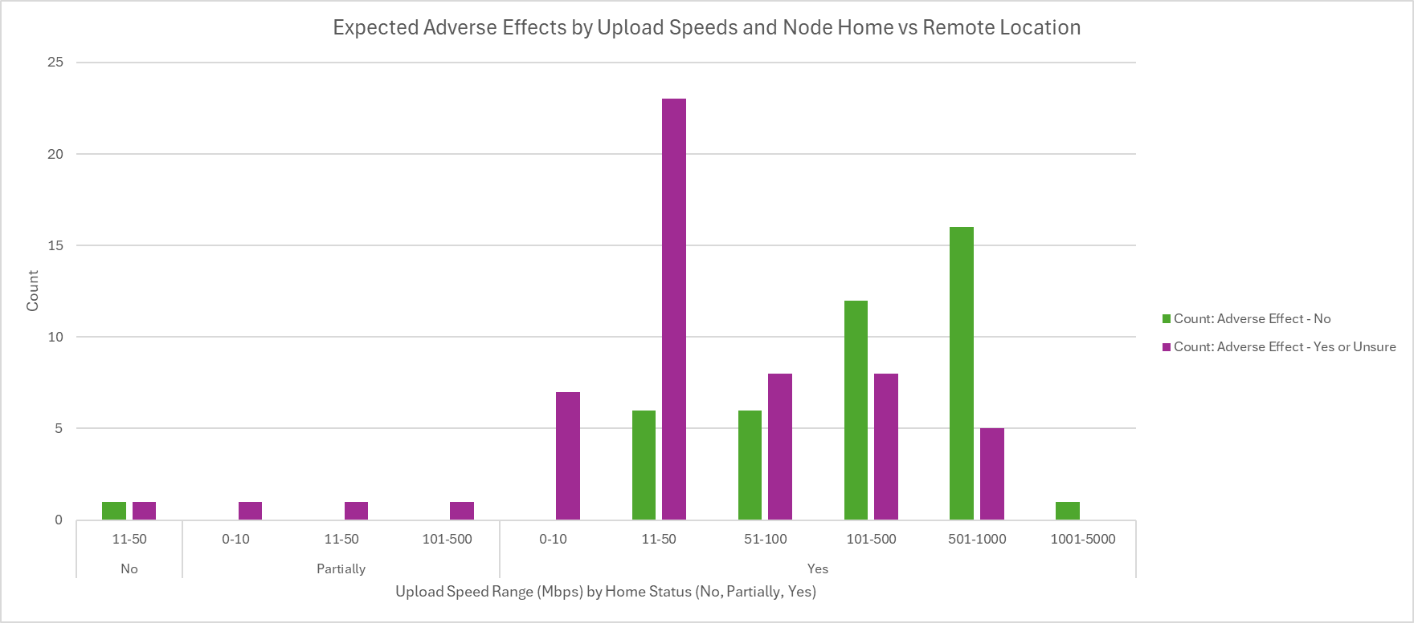
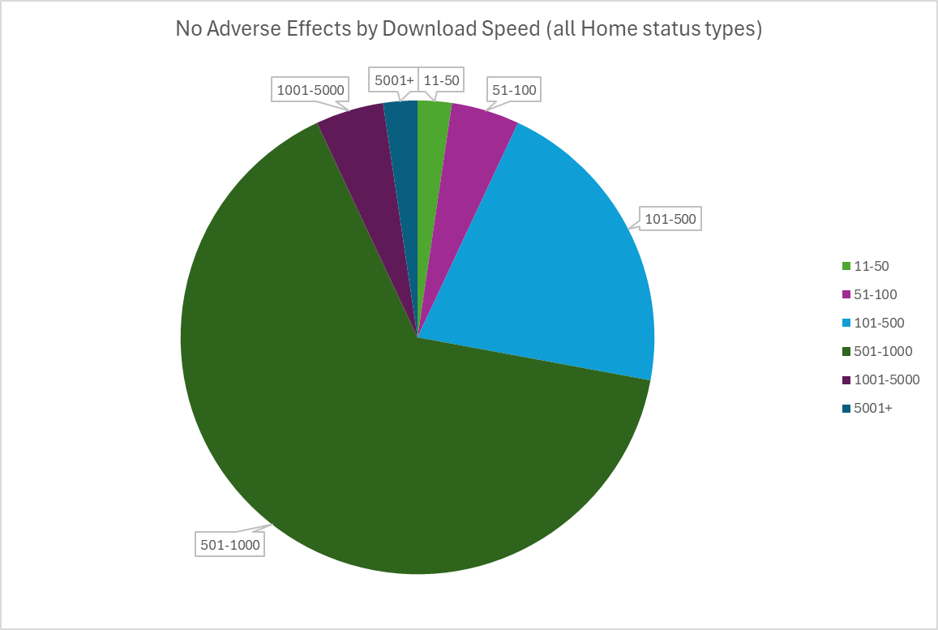
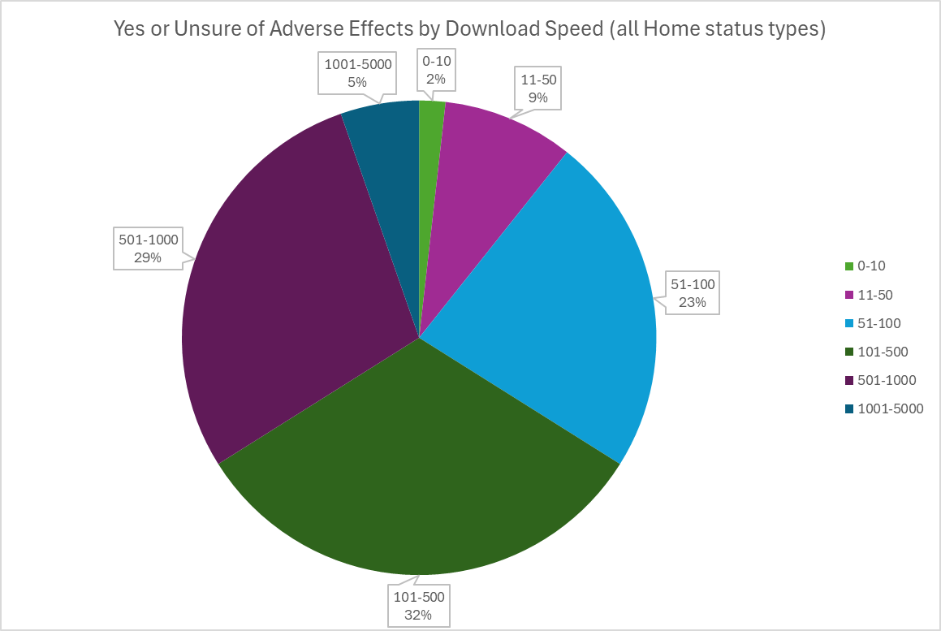
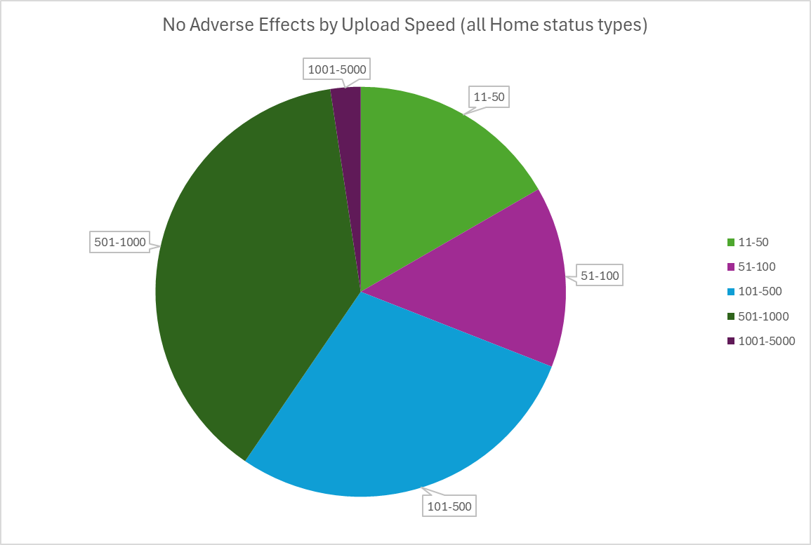
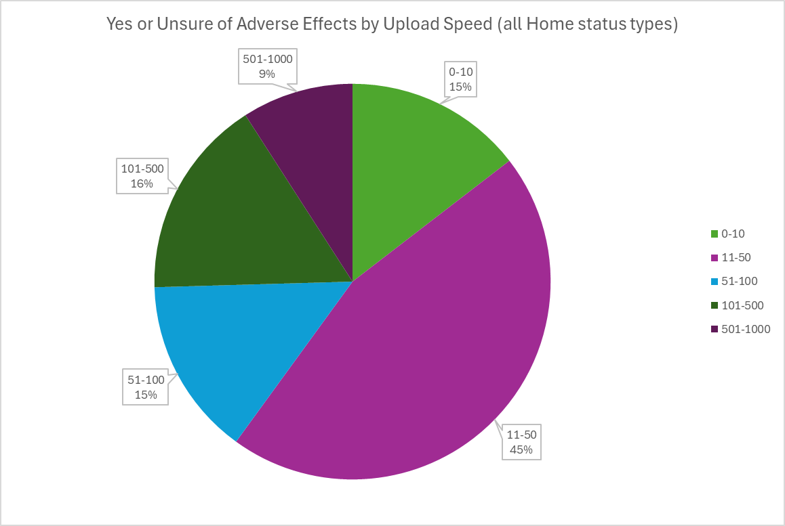
The following Solo Stakers Bandwidth Survey collected N=125 responses from September 27, 2024 - October 8, 2024 (12 days).
Participation in the survey was gated by a list of POAP NFTs known to be held by solo stakers: https://collections.poap.xyz/collections/ethereum-stakers/4972

Global Speed Index
https://www.speedtest.net/global-index

Here were the survey questions:

Do you run your node from home?

Yes
Partially
No

If no or partial, what is the reason?

Electricity not reliable
Bandwidth concerns
Living situation not permanent
Not applicable
Other (with space for a custom answer)

Do you track your node bandwidth usage?

Yes
No
Not applicable

What do you use to track your node bandwidth usage?

Grafana
ISP monitoring
Modem app
Not applicable
Other (with space for a custom answer)

Would increased bandwidth usage have an adverse effect on your ability to run a node from home?

Yes
No
Unsure
Not applicable

What are your internet download speeds? (Optional)

What are your internet upload speeds? (Optional)

Do you have an overall data ceiling/cap? (Optional)

Title
Staking Bandwidth Survey - Fall 2024

Subtitle
Solo stakers with lower bandwidth anticipate adverse effects or are unsure on their ability to stake in the event of protocol updates requiring increased bandwidth

Ethereum solo stakers were surveyed for a sentiment check about their experiences with node bandwidth capacity, usage, monitoring, and whether they would anticipate adverse impacts if requirements were increased in future protocol updates. This survey is limited in scope and was intended as a pulse check on the specific bandwidth subject. For a more exhaustive survey of solo stakers that EthStaker conducted in early 2024, see the Ethereum Staking Survey 2024 (https://paragraph.xyz/@ethstaker/staking-survey-2024) published on July 2, 2024. Stay tuned for the next full Ethereum Staking Survey we plan to begin collecting responses for in early 2025.

Methods

A total of 125 responses were received during the dates of September 27 - October 8, 2024. The survey was conducted on DeForm, and access was gated with a collection of POAP NFTs: https://collections.poap.xyz/collections/ethereum-stakers/4972 The survey was posted on EthStaker's social channels including Reddit (https://www.reddit.com/r/ethstaker/comments/1fqxjdv/important_home_staker_bandwidth_survey/), Discord, Twitter ((https://x.com/ethStaker/status/1839763102952501613).

Results

Raw data can be found here: <insert Github link>

- 90% of respondents were home stakers - 56% track bandwidth usage with the majority using Grafana followed by modem apps and ISP tracking - Adverse effect expectations rise by range tier as both download and upload speed decreases with the trend more pronounced for upload speed

Basics
How do you track bandwidth usage?
 | Total
DigitalOcean graphs | 1
Firewall | 1
Grafana | 38
grafana, nload | 1
I check with vnstat periodically. | 1
ISP monitoring | 7
Modem app | 12
On the CLI I use vnstat and overall for the network I use monitoring on the router | 1
Router port statistics and Grafana | 1
Switch | 1
Ubuntu queries | 1
vnstat | 3
vnstat, Grafana, router UI | 1
VPN app | 1
Track Bandwidth Usage?

Row Labels | Adverse Effect Count | Count: Adverse Effect - Yes | Count: Adverse Effect - No | Count: Adverse Effect - Yes or Unsure | Adverse Effect Rate | Count: Node at Home - Yes | Count: Node at Home - No | Count: Track Bandwidth Usage - Yes | Count: Track Bandwidth Usage - No
No | 54 | 11 | 22 | 32 | 20.4% | 48 | 4 | 70 | 54
Not applicable | 1 |  |  |  |  |  | 1 | 70 | 54
Yes | 70 | 19 | 34 | 33 | 27.1% | 64 | 4 | 70 | 54
Grand Total | 125 | 30 | 56 | 65 | 24.0% | 112 | 9 | 70 | 54

Do you track bandwidth usage?
 | Total
No | 54
Not applicable | 1
Yes | 70
Insights
- 27.1% of stakers who track bandwidth usage say increased bandwidth requirements would have adverse effects vs only 20.4% of those that do not track bandwidth.

Run Node From Home?

Row Labels | Adverse Effect Count | Count: Adverse Effect - Yes | Count: Adverse Effect - No | Count: Adverse Effect - Unsure | Count: Adverse Effect - Yes or Unsure | Adverse Effect Rate | Count: Node at Home - Yes | Count: Node at Home - No | Count: Track Bandwidth Usage - Yes | Count: Track Bandwidth Usage - No
No | 9 | 1 | 4 | 1 | 2 | 11.1% | 112 | 9 | 4 | 4
Partially | 4 | 2 |  | 2 | 4 | 50.0% | 112 | 9 | 2 | 2
Yes | 112 | 27 | 52 | 32 | 59 | 24.1% | 112 | 9 | 64 | 48
Grand Total | 125 | 30 | 56 | 35 | 65 | 24.0% | 112 | 9 | 70 | 54

If not from home or partial, why?
 | Total
All of the above. While it would have been the choice of preference to be at home solo staker, it was prohibitively complicated to run testnet and had not good experience with EthStaker and Dappnode advice and support to feel confidence on running at home. | 1
Bandwidth concerns | 3
Both bandwidth and uptime | 1
Both bandwidth concerns and realibility (lots of internet downtime due to provider). I have to run server with throttled upload (1.5Mbps) or video conference is not possible on same connection. | 1
Electricity not reliable | 1
I travel a lot for work and prefer to rely on a cloud server. | 1
Living situation not permanent | 4
Tax Situation in Germany | 1
Do you run your node from home?
 | Total
No | 9
Partially | 4
Yes | 112
Insights
- 24.1% of stakers who run their node from home say increased bandwidth would have adverse effects vs only 11.1% of those that do not
- Of those operating partially from home (n=4), 50% say adverse effect.

Insights
-
-

Adverse Effects by Speed

Row Labels | Adverse Effect Count | Count: Adverse Effect - Yes | Count: Adverse Effect - No | Adverse Effect Rate | Count: Node at Home - Yes | Count: Node at Home - No | Count: Track Bandwidth Usage - Yes | Count: Track Bandwidth Usage - No
 | 24 | 5 | 13 | 20.8% | 17 | 6 | 13 | 11
 | 24 | 5 | 13 | 20.8% | 17 | 6 | 13 | 11
Of Partial or Full Home Stakers, would increased bandwidth usage have an adverse effect on your ability to run a node from home?
 | Total
No | 52
Unsure | 34
Yes | 29
0-10 | 1 | 1 |  | 100.0% | 1 |  |  | 1 |  |  | Row Labels | Count of If no or partial, what is the reason?
0-10 | 1 | 1 |  | 100.0% | 1 |  |  | 1 |  |  | No |  | For those that do not run their node from home, reasons include | Count
11-50 | 6 | 5 | 1 | 83.3% | 5 | 1 | 5 | 1 |  |  | Living situation not permanent | 2 | Living situation not permanent | 4
0-10 | 4 | 4 |  | 100.0% | 4 |  | 3 | 1 |  |  | Bandwidth concerns | 2 | Bandwidth concerns | 3
11-50 | 2 | 1 | 1 | 50.0% | 1 | 1 | 2 |  |  |  | All of the above. While it would have been the choice of preference to be at home solo staker, it was prohibitively complicated to run testnet and had not good experience with EthStaker and Dappnode advice and support to feel confidence on running at home. | 1 | Electricity not reliable | 1
51-100 | 16 | 4 | 2 | 25.0% | 13 | 1 | 10 | 5 |  |  | I travel a lot for work and prefer to rely on a cloud server. | 1 | Both bandwidth and uptime | 1
0-10 | 1 | 1 |  | 100.0% |  |  | 1 |  |  |  | Tax Situation in Germany | 1 | Tax Situation in Germany | 1
11-50 | 9 | 2 |  | 22.2% | 8 |  | 5 | 4 |  |  | Both bandwidth concerns and realibility (lots of internet downtime due to provider). I have to run server with throttled upload (1.5Mbps) or video conference is not possible on same connection. | 1 | All of the above. While it would have been the choice of preference to be at home solo staker, it was prohibitively complicated to run testnet and had not good experience with EthStaker and Dappnode advice and support to feel confidence on running at home. | 1
51-100 | 6 | 1 | 2 | 16.7% | 5 | 1 | 4 | 1 |  |  | Electricity not reliable | 1 | Both bandwidth concerns and realibility (lots of internet downtime due to provider). I have to run server with throttled upload (1.5Mbps) or video conference is not possible on same connection. | 1
101-500 | 28 | 8 | 9 | 28.6% | 27 | 1 | 16 | 12 |  |  | Partially |  | I travel a lot for work and prefer to rely on a cloud server. | 1
 | 2 | 1 | 1 | 50.0% | 2 |  | 1 | 1 |  |  | Living situation not permanent | 2
0-10 | 2 | 1 |  | 50.0% | 2 |  |  | 2 |  |  | Bandwidth concerns | 1
11-50 | 11 | 5 | 1 | 45.5% | 10 | 1 | 9 | 2 |  |  | Both bandwidth and uptime | 1
51-100 | 2 |  | 1 |  | 2 |  |  | 2 |  |  | Yes
101-500 | 11 | 1 | 6 | 9.1% | 11 |  | 6 | 5 |  |  | Rant: While I can manage an increase in bandwidth requirements, I stake ETH, not because it is the token which will get the bigest return, or the largest gas throughput, but because it is the network in which, as long as the gas is paid, everyone's transactions go through. And until we get Inclusion Lists working, the only way to mantain that censorship resistants is to foster Home Stakers, anywhere they are (and with the bandwidth they can get) | 1
501-1000 | 44 | 6 | 28 | 13.6% | 43 |  | 22 | 22 |  |  | Electricity not reliable | 1
11-50 | 7 | 2 | 4 | 28.6% | 7 |  | 2 | 5 |  |  | Grand Total | 15
51-100 | 7 |  | 3 |  | 7 |  | 5 | 2
101-500 | 9 | 1 | 5 | 11.1% | 8 |  | 2 | 7
501-1000 | 21 | 3 | 16 | 14.3% | 21 |  | 13 | 8
1001-5000 | 5 | 1 | 2 | 20.0% | 5 |  | 4 | 1
11-50 | 4 | 1 | 1 | 25.0% | 4 |  | 3 | 1
101-500 | 1 |  | 1 |  | 1 |  | 1
5001+ | 1 |  | 1 |  | 1 |  |  | 1
1001-5000 | 1 |  | 1 |  | 1 |  |  | 1
Grand Total | 125 | 30 | 56 | 24.0% | 112 | 9 | 70 | 54

Basics pre-formatting
Do you track bandwidth usage?
 | Total
No | 54
Not applicable | 1
Yes | 70
How do you track bandwidth usage?
 | Total
DigitalOcean graphs | 1
Firewall | 1
Grafana | 38
grafana, nload | 1
I check with vnstat periodically. | 1
ISP monitoring | 7
Modem app | 12
On the CLI I use vnstat and overall for the network I use monitoring on the router | 1
Router port statistics and Grafana | 1
Switch | 1
Ubuntu queries | 1
vnstat | 3
vnstat, Grafana, router UI | 1
VPN app | 1
Track Bandwidth Usage?

Row Labels | Adverse Effect Count | Count: Adverse Effect - Yes | Count: Adverse Effect - No | Count: Adverse Effect - Yes or Unsure | Adverse Effect Rate | Count: Node at Home - Yes | Count: Node at Home - No | Count: Track Bandwidth Usage - Yes | Count: Track Bandwidth Usage - No
No | 54 | 11 | 22 | 32 | 20.4% | 48 | 4 | 70 | 54
Not applicable | 1 |  |  |  |  |  | 1 | 70 | 54
Yes | 70 | 19 | 34 | 33 | 27.1% | 64 | 4 | 70 | 54
Grand Total | 125 | 30 | 56 | 65 | 24.0% | 112 | 9 | 70 | 54

Insights
- 27.1% of stakers who track bandwidth usage say increased bandwidth requirements would have adverse effects vs only 20.4% of those that do not track bandwidth.

Do you run your node from home?
 | Total
No | 9
Partially | 4
Yes | 112
If not from home or partial, why?
 | Total
All of the above. While it would have been the choice of preference to be at home solo staker, it was prohibitively complicated to run testnet and had not good experience with EthStaker and Dappnode advice and support to feel confidence on running at home. | 1
Bandwidth concerns | 3
Both bandwidth and uptime | 1
Both bandwidth concerns and realibility (lots of internet downtime due to provider). I have to run server with throttled upload (1.5Mbps) or video conference is not possible on same connection. | 1
Electricity not reliable | 1
I travel a lot for work and prefer to rely on a cloud server. | 1
Living situation not permanent | 4
Tax Situation in Germany | 1
Run Node From Home?

Row Labels | Adverse Effect Count | Count: Adverse Effect - Yes | Count: Adverse Effect - No | Count: Adverse Effect - Unsure | Count: Adverse Effect - Yes or Unsure | Adverse Effect Rate | Count: Node at Home - Yes | Count: Node at Home - No | Count: Track Bandwidth Usage - Yes | Count: Track Bandwidth Usage - No
No | 9 | 1 | 4 | 1 | 2 | 11.1% | 112 | 9 | 4 | 4
Partially | 4 | 2 |  | 2 | 4 | 50.0% | 112 | 9 | 2 | 2
Yes | 112 | 27 | 52 | 32 | 59 | 24.1% | 112 | 9 | 64 | 48
Grand Total | 125 | 30 | 56 | 35 | 65 | 24.0% | 112 | 9 | 70 | 54

Insights
- 24.1% of stakers who run their node from home say increased bandwidth would have adverse effects vs only 11.1% of those that do not
- Of those operating partially from home (n=4), 50% say adverse effect.

Insights
-
-

Adverse Effects by Speed

Row Labels | Adverse Effect Count | Count: Adverse Effect - Yes | Count: Adverse Effect - No | Adverse Effect Rate | Count: Node at Home - Yes | Count: Node at Home - No | Count: Track Bandwidth Usage - Yes | Count: Track Bandwidth Usage - No
 | 24 | 5 | 13 | 20.8% | 17 | 6 | 13 | 11
 | 24 | 5 | 13 | 20.8% | 17 | 6 | 13 | 11
0-10 | 1 | 1 |  | 100.0% | 1 |  |  | 1
0-10 | 1 | 1 |  | 100.0% | 1 |  |  | 1
11-50 | 6 | 5 | 1 | 83.3% | 5 | 1 | 5 | 1
0-10 | 4 | 4 |  | 100.0% | 4 |  | 3 | 1
11-50 | 2 | 1 | 1 | 50.0% | 1 | 1 | 2
51-100 | 16 | 4 | 2 | 25.0% | 13 | 1 | 10 | 5
0-10 | 1 | 1 |  | 100.0% |  |  | 1
11-50 | 9 | 2 |  | 22.2% | 8 |  | 5 | 4
51-100 | 6 | 1 | 2 | 16.7% | 5 | 1 | 4 | 1
101-500 | 28 | 8 | 9 | 28.6% | 27 | 1 | 16 | 12
 | 2 | 1 | 1 | 50.0% | 2 |  | 1 | 1
0-10 | 2 | 1 |  | 50.0% | 2 |  |  | 2
11-50 | 11 | 5 | 1 | 45.5% | 10 | 1 | 9 | 2
51-100 | 2 |  | 1 |  | 2 |  |  | 2
101-500 | 11 | 1 | 6 | 9.1% | 11 |  | 6 | 5
501-1000 | 44 | 6 | 28 | 13.6% | 43 |  | 22 | 22
11-50 | 7 | 2 | 4 | 28.6% | 7 |  | 2 | 5
51-100 | 7 |  | 3 |  | 7 |  | 5 | 2
101-500 | 9 | 1 | 5 | 11.1% | 8 |  | 2 | 7
501-1000 | 21 | 3 | 16 | 14.3% | 21 |  | 13 | 8
1001-5000 | 5 | 1 | 2 | 20.0% | 5 |  | 4 | 1
11-50 | 4 | 1 | 1 | 25.0% | 4 |  | 3 | 1
101-500 | 1 |  | 1 |  | 1 |  | 1
5001+ | 1 |  | 1 |  | 1 |  |  | 1
1001-5000 | 1 |  | 1 |  | 1 |  |  | 1
Grand Total | 125 | 30 | 56 | 24.0% | 112 | 9 | 70 | 54

Adverse Effects
Adverse Effects by Download Speed and Node Home vs Remote Location
 | Count: Adverse Effect - No | Count: Adverse Effect - Yes | Count: Adverse Effect - Unsure
24 No | 1
200 No |  | 1
60 Partially |  | 1
90.85 Partially |  |  | 1
800 Partially |  |  | 1
0 Yes |  |  | 1
3 Yes |  | 1
20 Yes |  | 1
30 Yes |  | 1
50 Yes |  | 3
60 Yes |  |  | 1
70 Yes |  | 1 | 2
81 Yes |  |  | 1
90 Yes |  |  | 1
100 Yes | 2 | 2 | 3
120 Yes |  |  | 1
125 Yes |  | 1
150 Yes |  | 1 | 1
200 Yes |  |  | 2
250 Yes | 1
270 Yes | 1
283 Yes |  | 1
300 Yes | 4 | 4 | 1
400 Yes |  |  | 2
450 Yes |  |  | 1
500 Yes | 3 |  | 2
550 Yes |  | 1
566.34 Yes | 1
600 Yes | 4 |  | 1
692 Yes | 1
800 Yes | 2 | 1 | 1
860.78 Yes |  |  | 1
900 Yes |  | 1
920 Yes | 1
934 Yes |  |  | 1
940 Yes | 1
1000 Yes | 18 | 3 | 5
1200 Yes | 1 | 1 | 2
1500 Yes | 1
50000 Yes | 1
Adverse Effects by Upload Speed and Node Home vs Remote Location
 | Count: Adverse Effect - No | Count: Adverse Effect - Yes | Count: Adverse Effect - Unsure
12 No | 1
20 No |  | 1
10 Partially |  | 1
18.55 Partially |  |  | 1
200 Partially |  |  | 1
3 Yes |  | 2
8 Yes |  | 1
9 Yes |  | 1
10 Yes |  | 2 | 1
12 Yes |  | 1
12.95 Yes | 1
14 Yes |  |  | 1
17 Yes | 1
18 Yes |  |  | 1
20 Yes |  | 1 | 2
22 Yes |  | 1 | 1
24 Yes |  | 1 | 1
25 Yes |  | 1
30 Yes | 1 | 1
35 Yes |  | 1 | 2
40 Yes | 1 | 1 | 1
43 Yes |  |  | 1
50 Yes | 2 | 2 | 3
55.87 Yes |  |  | 1
60 Yes |  |  | 1
80 Yes | 1
90 Yes | 1
100 Yes | 4 | 1 | 5
135 Yes |  |  | 1
150 Yes | 1 |  | 1
200 Yes | 1 |  | 1
250 Yes | 2
300 Yes | 3 | 1 | 1
400 Yes |  |  | 2
500 Yes | 5 | 1
600 Yes | 2
800 Yes | 1
900 Yes | 1 | 1
935 Yes |  |  | 1
940 Yes | 1
1000 Yes | 11 | 2 | 1
5000 Yes | 1

Expected Adverse Effects by Download Speeds and Node Home vs Remote Location
 | Count: Adverse Effect - No | Count: Adverse Effect - Yes | Count: Adverse Effect - Unsure
11-50 No | 1
101-500 No |  | 1
51-100 Partially |  | 1 | 1
501-1000 Partially |  |  | 1
0-10 Yes |  | 1
11-50 Yes |  | 5
51-100 Yes | 2 | 3 | 8
101-500 Yes | 9 | 7 | 10
501-1000 Yes | 28 | 6 | 9
1001-5000 Yes | 2 | 1 | 2
5001+ Yes | 1
Expected Adverse Effects by Upload Speeds and Node Home vs Remote Location
 | Count: Adverse Effect - No | Count: Adverse Effect - Yes | Count: Adverse Effect - Unsure
11-50 No | 1 | 1
0-10 Partially |  | 1
11-50 Partially |  |  | 1
101-500 Partially |  |  | 1
0-10 Yes |  | 6 | 1
11-50 Yes | 6 | 10 | 13
51-100 Yes | 6 | 1 | 7
101-500 Yes | 12 | 2 | 6
501-1000 Yes | 16 | 3 | 2
1001-5000 Yes | 1

Expected Adverse Effects by Download Speeds and Node Home vs Remote Location
 | Count: Adverse Effect - No | Count: Adverse Effect - Yes or Unsure
11-50 No | 1
101-500 No |  | 1
51-100 Partially |  | 2
501-1000 Partially |  | 1
0-10 Yes |  | 1
11-50 Yes |  | 5
51-100 Yes | 2 | 11
101-500 Yes | 9 | 17
501-1000 Yes | 28 | 15
1001-5000 Yes | 2 | 3
5001+ Yes | 1
Expected Adverse Effects by Upload Speeds and Node Home vs Remote Location
 | Count: Adverse Effect - No | Count: Adverse Effect - Yes or Unsure
11-50 No | 1 | 1
0-10 Partially |  | 1
11-50 Partially |  | 1
101-500 Partially |  | 1
0-10 Yes |  | 7
11-50 Yes | 6 | 23
51-100 Yes | 6 | 8
101-500 Yes | 12 | 8
501-1000 Yes | 16 | 5
1001-5000 Yes | 1

- Stakers with higher download speeds report less adverse effects and more uncertainty than those more constrained |  |  |  |  |  |  |  | - Stakers with higher upload speeds report less adverse effects and more uncertainty than those more constrained.
- Uncertainty ("Unsure" response) more evenly distributed across speeds. |  |  |  |  |  |  |  | - Uncertainty ("Unsure" response) more evenly distributed across speeds.

Adverse Effect by Download Speed |  |  |  |  |  |  |  | Adverse Effect by Upload Speed

Row Labels | Count: Adverse Effect - Yes | Count: Adverse Effect - Yes or Unsure | Count: Adverse Effect - No | Count: Node at Home - Yes | Count: Node at Home - No | Count: Track Bandwidth Usage - Yes | Count: Track Bandwidth Usage - No | Row Labels | Count: Adverse Effect - Yes | Count: Adverse Effect - Yes or Unsure | Count: Adverse Effect - No | Count: Node at Home - Yes | Count: Node at Home - No | Count: Track Bandwidth Usage - Yes | Count: Track Bandwidth Usage - No
51-100 | 4 | 13 | 2 | 13 | 1 | 10 | 5
60 | 1 | 2 |  | 1 |  | 2 |  | (blank) | 6 | 10 | 14 | 19 | 6 | 14 | 12
70 | 1 | 3 |  | 3 |  | 3 |  | 0-10
81 |  | 1 |  | 1 |  |  | 1 | 3 | 2 | 2 |  | 2 |  | 1 | 1
90 |  | 1 |  | 1 |  |  | 1 | 8 | 1 | 1 |  | 1 |  |  | 1
90.85 |  | 1 |  |  |  |  | 1 | 9 | 1 | 1 |  | 1 |  | 1
100 | 2 | 5 | 2 | 7 | 1 | 5 | 2 | 10 | 3 | 4 |  | 3 |  | 2 | 2
501-1000 | 6 | 16 | 28 | 43 |  | 22 | 22 | 11-50
550 | 1 | 1 |  | 1 |  |  | 1 | 12 | 1 | 1 | 1 | 1 | 1 | 2
566.34 |  |  | 1 | 1 |  | 1 |  | 12.95 |  |  | 1 | 1 |  | 1
600 |  | 1 | 4 | 5 |  | 4 | 1 | 14 |  | 1 |  | 1 |  |  | 1
692 |  |  | 1 | 1 |  |  | 1 | 17 |  |  | 1 | 1 |  |  | 1
800 | 1 | 3 | 2 | 4 |  | 2 | 3 | 18 |  | 1 |  | 1 |  | 1
860.78 |  | 1 |  | 1 |  | 1 |  | 18.55 |  | 1 |  |  |  |  | 1
900 | 1 | 1 |  | 1 |  |  | 1 | 20 | 2 | 4 |  | 3 | 1 | 3 | 1
920 |  |  | 1 | 1 |  |  | 1 | 22 | 1 | 2 |  | 2 |  | 1 | 1
934 |  | 1 |  | 1 |  |  | 1 | 24 | 1 | 2 |  | 2 |  | 1 | 1
940 |  |  | 1 | 1 |  | 1 |  | 25 | 1 | 1 |  | 1 |  | 1
1000 | 3 | 8 | 18 | 26 |  | 13 | 13 | 30 | 1 | 1 | 1 | 2 |  |  | 2
5001+ |  |  | 1 | 1 |  |  | 1 | 35 | 1 | 3 |  | 3 |  | 2 | 1
50000 |  |  | 1 | 1 |  |  | 1 | 37 |  |  |  | 1 |  | 1
11-50 | 5 | 5 | 1 | 5 | 1 | 5 | 1 | 40 | 1 | 2 | 1 | 3 |  | 1 | 2
20 | 1 | 1 |  | 1 |  | 1 |  | 43 |  | 1 |  | 1 |  | 1
24 |  |  | 1 |  | 1 | 1 |  | 50 | 2 | 5 | 2 | 7 |  | 6 | 1
30 | 1 | 1 |  | 1 |  | 1 |  | 51-100
50 | 3 | 3 |  | 3 |  | 2 | 1 | 55.87 |  | 1 |  | 1 |  | 1
101-500 | 8 | 18 | 9 | 27 | 1 | 16 | 12 | 60 |  | 1 |  | 1 |  | 1
120 |  | 1 |  | 1 |  |  | 1 | 80 |  |  | 1 | 1 |  | 1
125 | 1 | 1 |  | 1 |  | 1 |  | 90 |  |  | 1 | 1 |  | 1
150 | 1 | 2 |  | 2 |  | 1 | 1 | 100 | 1 | 6 | 4 | 10 | 1 | 5 | 5
186 |  |  |  | 1 |  | 1 |  | 101-500
200 | 1 | 3 |  | 2 | 1 | 3 |  | 135 |  | 1 |  | 1 |  |  | 1
250 |  |  | 1 | 1 |  | 1 |  | 150 |  | 1 | 1 | 2 |  | 1 | 1
270 |  |  | 1 | 1 |  | 1 |  | 200 |  | 2 | 1 | 2 |  | 1 | 2
283 | 1 | 1 |  | 1 |  | 1 |  | 250 |  |  | 2 | 2 |  | 1 | 1
300 | 4 | 5 | 4 | 9 |  | 3 | 6 | 300 | 1 | 2 | 3 | 5 |  | 2 | 3
400 |  | 2 |  | 2 |  |  | 2 | 400 |  | 2 |  | 2 |  |  | 2
450 |  | 1 |  | 1 |  |  | 1 | 500 | 1 | 1 | 5 | 6 |  | 4 | 2
500 |  | 2 | 3 | 5 |  | 4 | 1 | 501-1000
1001-5000 | 1 | 3 | 2 | 5 |  | 4 | 1 | 600 |  |  | 2 | 2 |  | 2
1200 | 1 | 3 | 1 | 4 |  | 3 | 1 | 800 |  |  | 1 | 1 |  |  | 1
1500 |  |  | 1 | 1 |  | 1 |  | 900 | 1 | 1 | 1 | 2 |  | 1 | 1
0-10 | 1 | 1 |  | 1 |  |  | 1 | 935 |  | 1 |  | 1 |  |  | 1
3 | 1 | 1 |  | 1 |  |  | 1 | 940 |  |  | 1 | 1 |  | 1
 | 5 | 9 | 13 | 17 | 6 | 13 | 11 | 1000 | 2 | 3 | 11 | 14 |  | 9 | 5
0 |  | 1 |  | 1 |  |  | 1 | 1001-5000
(blank) | 5 | 8 | 13 | 16 | 6 | 13 | 10 | 5000 |  |  | 1 | 1 |  |  | 1
Grand Total | 30 | 65 | 56 | 112 | 9 | 70 | 54 | Grand Total | 30 | 65 | 56 | 112 | 9 | 70 | 54

No Adverse Effects by Download Speed
 | Total
24 | 1
100 | 2
250 | 1
270 | 1
300 | 4
500 | 3
566.34 | 1
600 | 4
692 | 1
800 | 2
920 | 1
940 | 1
1000 | 18
1200 | 1
1500 | 1
50000 | 1
No Adverse Effects by Upload Speed
 | Total
(blank) | 14
5000 | 1
1000 | 11
940 | 1
900 | 1
800 | 1
600 | 2
500 | 5
300 | 3
250 | 2
200 | 1
150 | 1
100 | 4
90 | 1
80 | 1
50 | 2
40 | 1
30 | 1
17 | 1
12.95 | 1
12 | 1

Yes or Unsure of Adverse Effects by Download Speed
 | Total
0 | 1
3 | 1
20 | 1
30 | 1
50 | 3
60 | 2
70 | 3
81 | 1
90 | 1
90.85 | 1
100 | 5
120 | 1
125 | 1
150 | 2
200 | 3
283 | 1
300 | 5
400 | 2
450 | 1
500 | 2
550 | 1
600 | 1
800 | 3
860.78 | 1
900 | 1
934 | 1
1000 | 8
1200 | 3
Yes or Unsure of Adverse Effects by Download Speed
 | Total
(blank) | 10
3 | 2
8 | 1
9 | 1
10 | 4
12 | 1
14 | 1
18 | 1
18.55 | 1
20 | 4
22 | 2
24 | 2
25 | 1
30 | 1
35 | 3
40 | 2
43 | 1
50 | 5
55.87 | 1
60 | 1
100 | 6
135 | 1
150 | 1
200 | 2
300 | 2
400 | 2
500 | 1
900 | 1
935 | 1
1000 | 3

No Adverse Effects by Download Speed (all Home status types)
 | Total
11-50 | 1
51-100 | 2
101-500 | 9
501-1000 | 28
1001-5000 | 2
5001+ | 1
No Adverse Effects by Upload Speed (all Home status types)
 | Total
11-50 | 7
51-100 | 6
101-500 | 12
501-1000 | 16
1001-5000 | 1

Yes or Unsure of Adverse Effects by Download Speed (all Home status types)
 | Total
0-10 | 1
11-50 | 5
51-100 | 13
101-500 | 18
501-1000 | 16
1001-5000 | 3
Yes or Unsure of Adverse Effects by Upload Speed (all Home status types)
 | Total
0-10 | 8
11-50 | 25
51-100 | 8
101-500 | 9
501-1000 | 5

Adverse Effects pre-formatting
Adverse Effects by Download Speed and Node Home vs Remote Location
 | Count: Adverse Effect - No | Count: Adverse Effect - Yes | Count: Adverse Effect - Unsure
24 No | 1
200 No |  | 1
60 Partially |  | 1
90.85 Partially |  |  | 1
800 Partially |  |  | 1
0 Yes |  |  | 1
3 Yes |  | 1
20 Yes |  | 1
30 Yes |  | 1
50 Yes |  | 3
60 Yes |  |  | 1
70 Yes |  | 1 | 2
81 Yes |  |  | 1
90 Yes |  |  | 1
100 Yes | 2 | 2 | 3
120 Yes |  |  | 1
125 Yes |  | 1
150 Yes |  | 1 | 1
200 Yes |  |  | 2
250 Yes | 1
270 Yes | 1
283 Yes |  | 1
300 Yes | 4 | 4 | 1
400 Yes |  |  | 2
450 Yes |  |  | 1
500 Yes | 3 |  | 2
550 Yes |  | 1
566.34 Yes | 1
600 Yes | 4 |  | 1
692 Yes | 1
800 Yes | 2 | 1 | 1
860.78 Yes |  |  | 1
900 Yes |  | 1
920 Yes | 1
934 Yes |  |  | 1
940 Yes | 1
1000 Yes | 18 | 3 | 5
1200 Yes | 1 | 1 | 2
1500 Yes | 1
50000 Yes | 1
Adverse Effects by Upload Speed and Node Home vs Remote Location
 | Count: Adverse Effect - No | Count: Adverse Effect - Yes | Count: Adverse Effect - Unsure
12 No | 1
20 No |  | 1
10 Partially |  | 1
18.55 Partially |  |  | 1
200 Partially |  |  | 1
3 Yes |  | 2
8 Yes |  | 1
9 Yes |  | 1
10 Yes |  | 2 | 1
12 Yes |  | 1
12.95 Yes | 1
14 Yes |  |  | 1
17 Yes | 1
18 Yes |  |  | 1
20 Yes |  | 1 | 2
22 Yes |  | 1 | 1
24 Yes |  | 1 | 1
25 Yes |  | 1
30 Yes | 1 | 1
35 Yes |  | 1 | 2
40 Yes | 1 | 1 | 1
43 Yes |  |  | 1
50 Yes | 2 | 2 | 3
55.87 Yes |  |  | 1
60 Yes |  |  | 1
80 Yes | 1
90 Yes | 1
100 Yes | 4 | 1 | 5
135 Yes |  |  | 1
150 Yes | 1 |  | 1
200 Yes | 1 |  | 1
250 Yes | 2
300 Yes | 3 | 1 | 1
400 Yes |  |  | 2
500 Yes | 5 | 1
600 Yes | 2
800 Yes | 1
900 Yes | 1 | 1
935 Yes |  |  | 1
940 Yes | 1
1000 Yes | 11 | 2 | 1
5000 Yes | 1

Adverse Effects by Download Speed and Node Home vs Remote Location
 | Count: Adverse Effect - No | Count: Adverse Effect - Yes | Count: Adverse Effect - Unsure
11-50 No | 1
101-500 No |  | 1
51-100 Partially |  | 1 | 1
501-1000 Partially |  |  | 1
Yes |  |  | 1
0-10 Yes |  | 1
11-50 Yes |  | 5
51-100 Yes | 2 | 3 | 8
101-500 Yes | 9 | 7 | 10
501-1000 Yes | 28 | 6 | 9
1001-5000 Yes | 2 | 1 | 2
5001+ Yes | 1
Adverse Effects by Upload Speed and Node Home vs Remote Location
 | Count: Adverse Effect - No | Count: Adverse Effect - Yes | Count: Adverse Effect - Unsure
11-50 No | 1 | 1
0-10 Partially |  | 1
11-50 Partially |  |  | 1
101-500 Partially |  |  | 1
0-10 Yes |  | 6 | 1
11-50 Yes | 6 | 10 | 13
51-100 Yes | 6 | 1 | 7
101-500 Yes | 12 | 2 | 6
501-1000 Yes | 16 | 3 | 2
1001-5000 Yes | 1

Adverse Effects by Download Speed and Node Home vs Remote Location
 | Count: Adverse Effect - No | Count: Adverse Effect - Yes or Unsure
11-50 No | 1
101-500 No |  | 1
51-100 Partially |  | 2
501-1000 Partially |  | 1
Yes |  | 1
0-10 Yes |  | 1
11-50 Yes |  | 5
51-100 Yes | 2 | 11
101-500 Yes | 9 | 17
501-1000 Yes | 28 | 15
1001-5000 Yes | 2 | 3
5001+ Yes | 1
Adverse Effects by Upload Speed and Node Home vs Remote Location
 | Count: Adverse Effect - No | Count: Adverse Effect - Yes or Unsure
11-50 No | 1 | 1
0-10 Partially |  | 1
11-50 Partially |  | 1
101-500 Partially |  | 1
0-10 Yes |  | 7
11-50 Yes | 6 | 23
51-100 Yes | 6 | 8
101-500 Yes | 12 | 8
501-1000 Yes | 16 | 5
1001-5000 Yes | 1

- Stakers with higher download speeds report less adverse effects and more uncertainty than those more constrained |  |  |  |  |  |  |  | - Stakers with higher upload speeds report less adverse effects and more uncertainty than those more constrained.
- Uncertainty ("Unsure" response) more evenly distributed across speeds. |  |  |  |  |  |  |  | - Uncertainty ("Unsure" response) more evenly distributed across speeds.

Adverse Effect by Download Speed |  |  |  |  |  |  |  | Adverse Effect by Upload Speed

Row Labels | Count: Adverse Effect - Yes | Count: Adverse Effect - Yes or Unsure | Count: Adverse Effect - No | Count: Node at Home - Yes | Count: Node at Home - No | Count: Track Bandwidth Usage - Yes | Count: Track Bandwidth Usage - No | Row Labels | Count: Adverse Effect - Yes | Count: Adverse Effect - Yes or Unsure | Count: Adverse Effect - No | Count: Node at Home - Yes | Count: Node at Home - No | Count: Track Bandwidth Usage - Yes | Count: Track Bandwidth Usage - No
51-100 | 4 | 13 | 2 | 13 | 1 | 10 | 5
60 | 1 | 2 |  | 1 |  | 2 |  | (blank) | 6 | 10 | 14 | 19 | 6 | 14 | 12
70 | 1 | 3 |  | 3 |  | 3 |  | 0-10
81 |  | 1 |  | 1 |  |  | 1 | 3 | 2 | 2 |  | 2 |  | 1 | 1
90 |  | 1 |  | 1 |  |  | 1 | 8 | 1 | 1 |  | 1 |  |  | 1
90.85 |  | 1 |  |  |  |  | 1 | 9 | 1 | 1 |  | 1 |  | 1
100 | 2 | 5 | 2 | 7 | 1 | 5 | 2 | 10 | 3 | 4 |  | 3 |  | 2 | 2
501-1000 | 6 | 16 | 28 | 43 |  | 22 | 22 | 11-50
550 | 1 | 1 |  | 1 |  |  | 1 | 12 | 1 | 1 | 1 | 1 | 1 | 2
566.34 |  |  | 1 | 1 |  | 1 |  | 12.95 |  |  | 1 | 1 |  | 1
600 |  | 1 | 4 | 5 |  | 4 | 1 | 14 |  | 1 |  | 1 |  |  | 1
692 |  |  | 1 | 1 |  |  | 1 | 17 |  |  | 1 | 1 |  |  | 1
800 | 1 | 3 | 2 | 4 |  | 2 | 3 | 18 |  | 1 |  | 1 |  | 1
860.78 |  | 1 |  | 1 |  | 1 |  | 18.55 |  | 1 |  |  |  |  | 1
900 | 1 | 1 |  | 1 |  |  | 1 | 20 | 2 | 4 |  | 3 | 1 | 3 | 1
920 |  |  | 1 | 1 |  |  | 1 | 22 | 1 | 2 |  | 2 |  | 1 | 1
934 |  | 1 |  | 1 |  |  | 1 | 24 | 1 | 2 |  | 2 |  | 1 | 1
940 |  |  | 1 | 1 |  | 1 |  | 25 | 1 | 1 |  | 1 |  | 1
1000 | 3 | 8 | 18 | 26 |  | 13 | 13 | 30 | 1 | 1 | 1 | 2 |  |  | 2
5001+ |  |  | 1 | 1 |  |  | 1 | 35 | 1 | 3 |  | 3 |  | 2 | 1
50000 |  |  | 1 | 1 |  |  | 1 | 37 |  |  |  | 1 |  | 1
11-50 | 5 | 5 | 1 | 5 | 1 | 5 | 1 | 40 | 1 | 2 | 1 | 3 |  | 1 | 2
20 | 1 | 1 |  | 1 |  | 1 |  | 43 |  | 1 |  | 1 |  | 1
24 |  |  | 1 |  | 1 | 1 |  | 50 | 2 | 5 | 2 | 7 |  | 6 | 1
30 | 1 | 1 |  | 1 |  | 1 |  | 51-100
50 | 3 | 3 |  | 3 |  | 2 | 1 | 55.87 |  | 1 |  | 1 |  | 1
101-500 | 8 | 18 | 9 | 27 | 1 | 16 | 12 | 60 |  | 1 |  | 1 |  | 1
120 |  | 1 |  | 1 |  |  | 1 | 80 |  |  | 1 | 1 |  | 1
125 | 1 | 1 |  | 1 |  | 1 |  | 90 |  |  | 1 | 1 |  | 1
150 | 1 | 2 |  | 2 |  | 1 | 1 | 100 | 1 | 6 | 4 | 10 | 1 | 5 | 5
186 |  |  |  | 1 |  | 1 |  | 101-500
200 | 1 | 3 |  | 2 | 1 | 3 |  | 135 |  | 1 |  | 1 |  |  | 1
250 |  |  | 1 | 1 |  | 1 |  | 150 |  | 1 | 1 | 2 |  | 1 | 1
270 |  |  | 1 | 1 |  | 1 |  | 200 |  | 2 | 1 | 2 |  | 1 | 2
283 | 1 | 1 |  | 1 |  | 1 |  | 250 |  |  | 2 | 2 |  | 1 | 1
300 | 4 | 5 | 4 | 9 |  | 3 | 6 | 300 | 1 | 2 | 3 | 5 |  | 2 | 3
400 |  | 2 |  | 2 |  |  | 2 | 400 |  | 2 |  | 2 |  |  | 2
450 |  | 1 |  | 1 |  |  | 1 | 500 | 1 | 1 | 5 | 6 |  | 4 | 2
500 |  | 2 | 3 | 5 |  | 4 | 1 | 501-1000
1001-5000 | 1 | 3 | 2 | 5 |  | 4 | 1 | 600 |  |  | 2 | 2 |  | 2
1200 | 1 | 3 | 1 | 4 |  | 3 | 1 | 800 |  |  | 1 | 1 |  |  | 1
1500 |  |  | 1 | 1 |  | 1 |  | 900 | 1 | 1 | 1 | 2 |  | 1 | 1
0-10 | 1 | 1 |  | 1 |  |  | 1 | 935 |  | 1 |  | 1 |  |  | 1
3 | 1 | 1 |  | 1 |  |  | 1 | 940 |  |  | 1 | 1 |  | 1
 | 5 | 9 | 13 | 17 | 6 | 13 | 11 | 1000 | 2 | 3 | 11 | 14 |  | 9 | 5
0 |  | 1 |  | 1 |  |  | 1 | 1001-5000
(blank) | 5 | 8 | 13 | 16 | 6 | 13 | 10 | 5000 |  |  | 1 | 1 |  |  | 1
Grand Total | 30 | 65 | 56 | 112 | 9 | 70 | 54 | Grand Total | 30 | 65 | 56 | 112 | 9 | 70 | 54

No Adverse Effects by Download Speed
 | Total
24 | 1
100 | 2
250 | 1
270 | 1
300 | 4
500 | 3
566.34 | 1
600 | 4
692 | 1
800 | 2
920 | 1
940 | 1
1000 | 18
1200 | 1
1500 | 1
50000 | 1
No Adverse Effects by Upload Speed
 | Total
(blank) | 14
5000 | 1
1000 | 11
940 | 1
900 | 1
800 | 1
600 | 2
500 | 5
300 | 3
250 | 2
200 | 1
150 | 1
100 | 4
90 | 1
80 | 1
50 | 2
40 | 1
30 | 1
17 | 1
12.95 | 1
12 | 1

Yes or Unsure of Adverse Effects by Download Speed
 | Total
0 | 1
3 | 1
20 | 1
30 | 1
50 | 3
60 | 2
70 | 3
81 | 1
90 | 1
90.85 | 1
100 | 5
120 | 1
125 | 1
150 | 2
200 | 3
283 | 1
300 | 5
400 | 2
450 | 1
500 | 2
550 | 1
600 | 1
800 | 3
860.78 | 1
900 | 1
934 | 1
1000 | 8
1200 | 3
Yes or Unsure of Adverse Effects by Download Speed
 | Total
(blank) | 10
3 | 2
8 | 1
9 | 1
10 | 4
12 | 1
14 | 1
18 | 1
18.55 | 1
20 | 4
22 | 2
24 | 2
25 | 1
30 | 1
35 | 3
40 | 2
43 | 1
50 | 5
55.87 | 1
60 | 1
100 | 6
135 | 1
150 | 1
200 | 2
300 | 2
400 | 2
500 | 1
900 | 1
935 | 1
1000 | 3

No Adverse Effects by Upload Speed
 | Total
 | 14
11-50 | 7
51-100 | 6
101-500 | 12
501-1000 | 16
1001-5000 | 1
No Adverse Effects by Download Speed
 | Total
11-50 | 1
51-100 | 2
101-500 | 9
501-1000 | 28
1001-5000 | 2
5001+ | 1

Yes or Unsure of Adverse Effects by Download Speed
 | Total
 | 10
0-10 | 8
11-50 | 25
51-100 | 8
101-500 | 9
501-1000 | 5
Yes or Unsure of Adverse Effects by Download Speed
 | Total
 | 1
0-10 | 1
11-50 | 5
51-100 | 13
101-500 | 18
501-1000 | 16
1001-5000 | 3

first crack mess
 | Total
(blank) | 23
0 | 1
3 | 1
20 | 1
24 | 1
30 | 1
50 | 3
60 | 2
70 | 3
81 | 1
90 | 1
90.85 | 1
100 | 8
120 | 1
125 | 1
150 | 2
186 | 1
200 | 3
250 | 1
270 | 1
283 | 1
300 | 9
400 | 2
450 | 1
500 | 5
550 | 1
566.34 | 1
600 | 5
692 | 1
800 | 5
860.78 | 1
900 | 1
920 | 1
934 | 1
940 | 1
1000 | 26
1200 | 4
1500 | 1
50000 | 1

 |  |  | Upload Speeds |  |  | Download Speeds

Row Labels | Count of Do you run your node from home? | Count of Do you run your node from home?2 | Row Labels | Adverse Effect Count | wAvg Upload Speed | Row Labels | Adverse Effect Count | wAvg Download Speed
Yes | 70 | 56.00% | No | 56 | 444 | No | 56 | 1451
Grafana | 38 | 30.40% | 12 | 1 | 12 | 50000 | 1 | 50000
Modem app | 12 | 9.60% | 12.95 | 1 | 13 | 1500 | 1 | 1500
ISP monitoring | 7 | 5.60% | 17 | 1 | 17 | 1200 | 1 | 1200
vnstat | 3 | 2.40% | 30 | 1 | 30 | 1000 | 18 | 1000
VPN app | 1 | 0.80% | 40 | 1 | 40 | 940 | 1 | 940
Switch | 1 | 0.80% | 50 | 2 | 50 | 920 | 1 | 920
Router port statistics and Grafana | 1 | 0.80% | 80 | 1 | 80 | 800 | 2 | 800
Ubuntu queries | 1 | 0.80% | 90 | 1 | 90 | 692 | 1 | 692
I check with vnstat periodically. | 1 | 0.80% | 100 | 4 | 100 | 600 | 4 | 600
grafana, nload | 1 | 0.80% | 150 | 1 | 150 | 566.34 | 1 | 566
vnstat, Grafana, router UI | 1 | 0.80% | 200 | 1 | 200 | 500 | 3 | 500
DigitalOcean graphs | 1 | 0.80% | 250 | 2 | 250 | 300 | 4 | 300
Firewall | 1 | 0.80% | 300 | 3 | 300 | 270 | 1 | 270
On the CLI I use vnstat and overall for the network I use monitoring on the router | 1 | 0.80% | 500 | 5 | 500 | 250 | 1 | 250
No | 54 | 43.20% | 600 | 2 | 600 | 100 | 2 | 100
Not applicable | 35 | 28.00% | 800 | 1 | 800 | 24 | 1 | 24
 | 14 | 11.20% | 900 | 1 | 900 | (blank) | 13
Grafana | 3 | 2.40% | 940 | 1 | 940 | Unsure | 35 | 439
Although I do not track currently, I will track because of the recent discussions about increasing blob number. I will use one of these tools: https://snapshooter.com/learn/check-network-usage--linux | 1 | 0.80% | 1000 | 11 | 1000 | 1200 | 2 | 1200
I don’t have any speed problems on the whole network, so it’s not something I pay attention to | 1 | 0.80% | 5000 | 1 | 5000 | 1000 | 5 | 1000
Not applicable | 1 | 0.80% | (blank) | 14 |  | 934 | 1 | 934
Not applicable | 1 | 0.80% | Unsure | 35 | 137 | 860.78 | 1 | 861
Grand Total | 125 | 100.00% | 10 | 1 | 10 | 800 | 2 | 800
 |  |  | 14 | 1 | 14 | 600 | 1 | 600
 |  |  | 18 | 1 | 18 | 500 | 2 | 500
 |  |  | 18.55 | 1 | 19 | 450 | 1 | 450
 |  |  | 20 | 2 | 20 | 400 | 2 | 400
 |  |  | 22 | 1 | 22 | 300 | 1 | 300
 |  |  | 24 | 1 | 24 | 200 | 2 | 200
 |  |  | 35 | 2 | 35 | 150 | 1 | 150
 |  |  | 40 | 1 | 40 | 120 | 1 | 120
 |  |  | 43 | 1 | 43 | 100 | 3 | 100
 |  |  | 50 | 3 | 50 | 90.85 | 1 | 91
 |  |  | 55.87 | 1 | 56 | 90 | 1 | 90
 |  |  | 60 | 1 | 60 | 81 | 1 | 81
 |  |  | 100 | 5 | 100 | 70 | 2 | 70
 |  |  | 135 | 1 | 135 | 60 | 1 | 60
 |  |  | 150 | 1 | 150 | (blank) | 3
 |  |  | 200 | 2 | 200 | 0 | 1 | 0
 |  |  | 300 | 1 | 300 | Yes | 30 | 298
 |  |  | 400 | 2 | 400 | 1200 | 1 | 1200
 |  |  | 935 | 1 | 935 | 1000 | 3 | 1000
 |  |  | 1000 | 1 | 1000 | 900 | 1 | 900
 |  |  | (blank) | 4 |  | 800 | 1 | 800
 |  |  | Yes | 30 | 139 | 550 | 1 | 550
 |  |  | 3 | 2 | 3 | 300 | 4 | 300
 |  |  | 8 | 1 | 8 | 283 | 1 | 283
 |  |  | 9 | 1 | 9 | 200 | 1 | 200
 |  |  | 10 | 3 | 10 | 150 | 1 | 150
 |  |  | 12 | 1 | 12 | 125 | 1 | 125
 |  |  | 20 | 2 | 20 | 100 | 2 | 100
 |  |  | 22 | 1 | 22 | 70 | 1 | 70
 |  |  | 24 | 1 | 24 | 60 | 1 | 60
 |  |  | 25 | 1 | 25 | 50 | 3 | 50
 |  |  | 30 | 1 | 30 | 30 | 1 | 30
 |  |  | 35 | 1 | 35 | 20 | 1 | 20
 |  |  | 40 | 1 | 40 | 3 | 1 | 3
 |  |  | 50 | 2 | 50 | (blank) | 5
 |  |  | 100 | 1 | 100 | Not applicable | 3 | 33
 |  |  | 300 | 1 | 300 | 100 | 1 | 100
 |  |  | 500 | 1 | 500 | (blank) | 2
 |  |  | 900 | 1 | 900 |  | 1 | 186
 |  |  | 1000 | 2 | 1000 | 186 | 1 | 186
 |  |  | (blank) | 6 |  | Grand Total | 125 | 847
 |  |  | Not applicable | 3 | 33
 |  |  | 100 | 1 | 100
 |  |  | (blank) | 2
 |  |  |  | 1 | 37
 |  |  | 37 | 1 | 37
 |  |  | Grand Total | 125 | 272

